GetJsonProperty
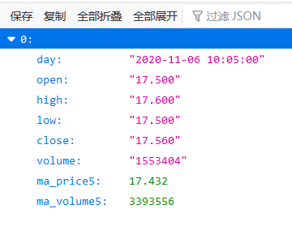
网址 | 原始数据 | 时间 | Open | High | Low | Close | Volume | ma_price5 | ma_volume5
使用公式：=GetJsonSource(A3)，=GetJsonProperty()
http://money.finance.sina.com.cn/quotes_service/api/json_v2.php/CN_MarketData.getKLineData?symbol=sz000001&scale=5&ma=5&datalen=1 | [{"day":"2020-11-10 15:00:00","open":"18.080","high":"18.110","low":"18.080","close":"18.110","volume":"1599186","ma_price5":18.116,"ma_volume5":1135977}] | 2020-11-10 15:00:00 | 18.080 | 18.110 | 18.080 | 18.110 | 1599186 | 18.116 | 1135977
使用公式：=GetJsonSource(A3)，=GetJsonByPropertyName()
http://money.finance.sina.com.cn/quotes_service/api/json_v2.php/CN_MarketData.getKLineData?symbol=sz000001&scale=5&ma=5&datalen=1 | [{"day":"2020-11-10 15:00:00","open":"18.080","high":"18.110","low":"18.080","close":"18.110","volume":"1599186","ma_price5":18.116,"ma_volume5":1135977}] | 2020-11-10 15:00:00 | 18.080 | 18.110 | 18.080 | 18.110 | 1599186 | 解析Json数据遇到错误，修改字符集后再重试 | 解析Json数据遇到错误，修改字符集后再重试

